BOM_转接隔离板_PCB_2025-05-12
No. | 数量 | Comment | 位号 | 封装
1 | 4 | 4.7uF | C1,C2,C4,C5 | C1206

3 | 8 | 104 | C3,C6,C8,C11,C15,C16,C17,C18 | 0603C
4 | 1 | 100uF/50V | C7 | CAP-SMD_BD10.0-L10.3-W10.3-LS11.0-R-RD
5 | 2 | 10uF | C9,C10 | C1206
6 | 1 | 100uF/35V | C12 | 电解电容贴片6X6
7 | 2 | 22pF | C13,C14 | 0603C
8 | 5 | SS56 | D1,D4,D9,D14,D17 | SMA
9 | 1 | PESD3V3L1BA-N | D2 | SOD-323_L1.8-W1.3-LS2.5-BI

11 | 3 | 绿光 | D5,D7,D8 | 0603LED
12 | 1 | PESD5V0L1BA-N | D6 | SOD-323_L1.8-W1.3-LS2.5-BI
13 | 3 | PESD24VL2BTN | D11,D13,D16 | SOT-23-3_L2.9-W1.6-P1.90-LS2.8-BR
14 | 1 | mSMD030 | F1 | F1812
15 | 3 | JQC-3FF/24VDC-1HS(551) | K1,K2,K3 | RELAY-TH_JQC-3FF-1HXX
16 | 1 | 68uH | L1 | IND-SMD_L7.0-W7.0_SMDRI74-330MT
17 | 8 | 5.08-8P | P1,P2 | 螺丝旋拧式5.08-8P | 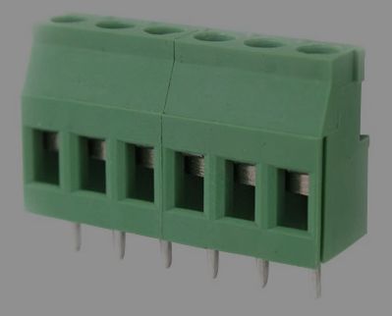

19 | 3 | SS8050 | Q1,Q2,Q3 | SOT-23-3_L2.9-W1.3-P1.90-LS2.4-BR
20 | 1 | 47K | R2 | 0603R
21 | 18 | 10K | R3,R4,R5,R6,R7,R8,R11,R13,R14,R15,R18,R21,R23,R24,R25,R26,R28,R30 | 0603R
22 | 6 | 1K | R10,R12,R20,R22,R27,R29 | 0603R
23 | 3 | 10k | R16,R17,R19 | 0603R
24 | 1 | B0505LS-1WR3 | U1 | PWRM-TH_BXXXXLS-1WR3
25 | 1 | 1117-3.3 | U2 | SOT-223
26 | 1 | XL1509-5.0E1 | U3 | ESOP-8_L4.9-W3.9-P1.27-LS6.0-BL-EP
27 | 6 | LTV-357T | U4,U6,U7,U8,U9,U10 | SOP-4_L4.4-W3.9-P2.54-LS7.0-TL
28 | 1 | STM32F103C8T6或者GD32F303CCT6 | U5 | LQFP48 | STM32F103C8T6或者GD32F303CCT6用便宜的
29 | 1 | 8M | Y1 | 晶振贴片

